Log
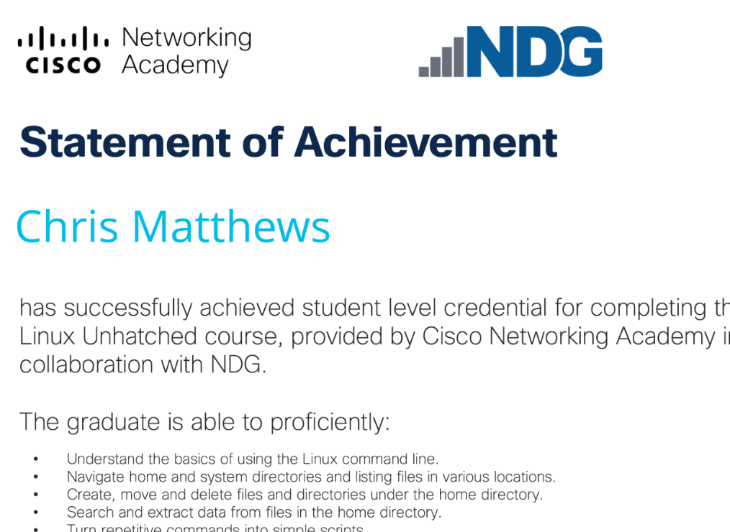
On-the-job and self-guided learning hours log. |  |  |  | L5 Data Engineer
Apart from their off-the-job learning (webinars and e-learning), for the success of their professional education and skills development, learners also need to allocate a smaller chunk of hours spread across their remaining working week to log their on-the-job and self-guided learning.
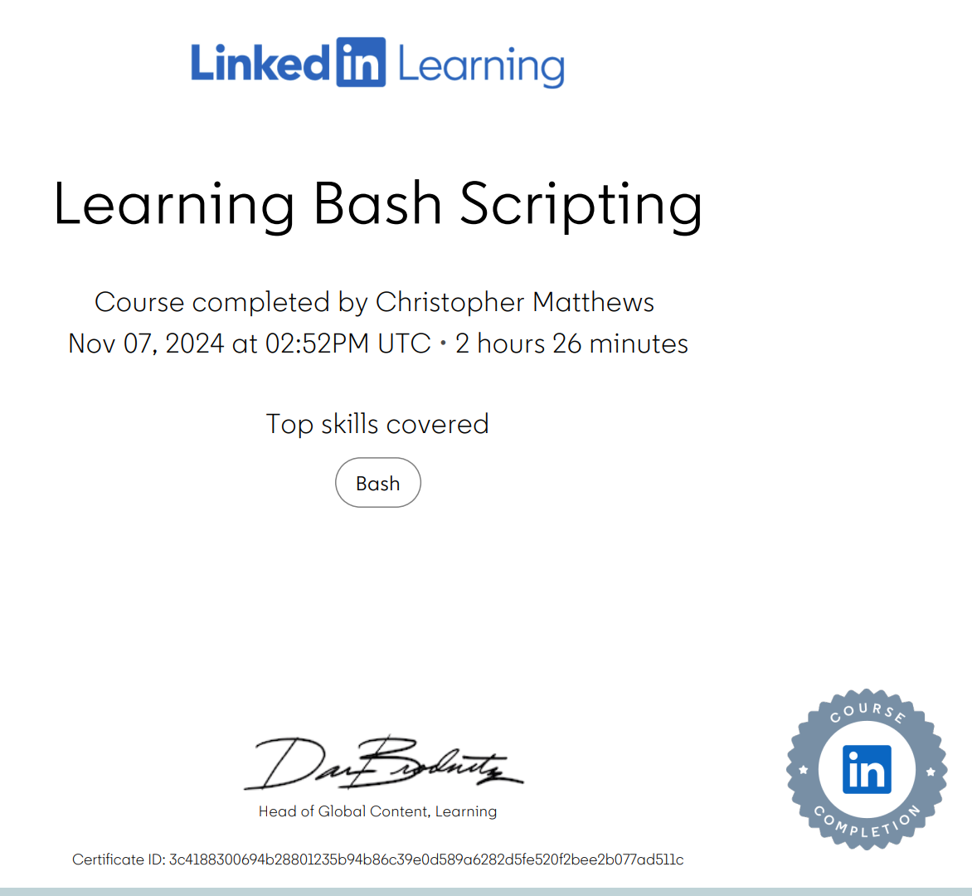
This log was completed by me, the learner on: |  |  |  | Sign (learner) |  |  |  |  | Prof discussion | 10 q's
The hours have been attested by my manager, on: |  |  |  | Sign (manager) | 359 |  |  |  | Wez mcginney Data analysis in python
 | Total on-the-job hours logged: |  | 18 |  | Total self-study hours logged: |  | 23.5
 | On-the-job learning hours |  |  |  | Self-guided learning hours
Date | Shadowing | In-house training | Research (internal wikis, etc.) | Other | Core reading list | Approved short-course certs | Other
2024-09-19 |  |  | 3
2024-09-30 |  |  |  |  |  | 1 |  | Learning Bash Scripting certification
2024-10-04 |  |  |  |  |  |  | 1 | Managing Data Like a Leader - Masterclass Session
2024-10-07 | 1 |  |  |  |  |  |  | Automation
2024-10-08 |  |  |  |  |  |  | 1 | Copilot - Masterclass Session
2024-10-10 |  |  |  |  |  | 1.5 |  | Learning Bash Scripting certification
2024-10-22 |  | 2 |  |  |  |  |  | Practical design drawing
2024-10-06 |  |  |  |  |  |  | 1 | Zero to ChatGPT hero - Masterclass Session
2024-11-08 |  |  |  |  |  |  | 1 | Managing Data Like a Leader session 2- Masterclass Session
2024-11-26 |  |  |  |  |  |  |  | MongoDB demo
2024-11-29 |  |  |  |  |  |  | 1 | Paring data with algorithms - Masterclass session
2024-11-29 |  | 1 |  |  |  |  |  | Schema design principals
2024-12-06 |  |  | 1 |  |  |  | 1 | Python data structures practice
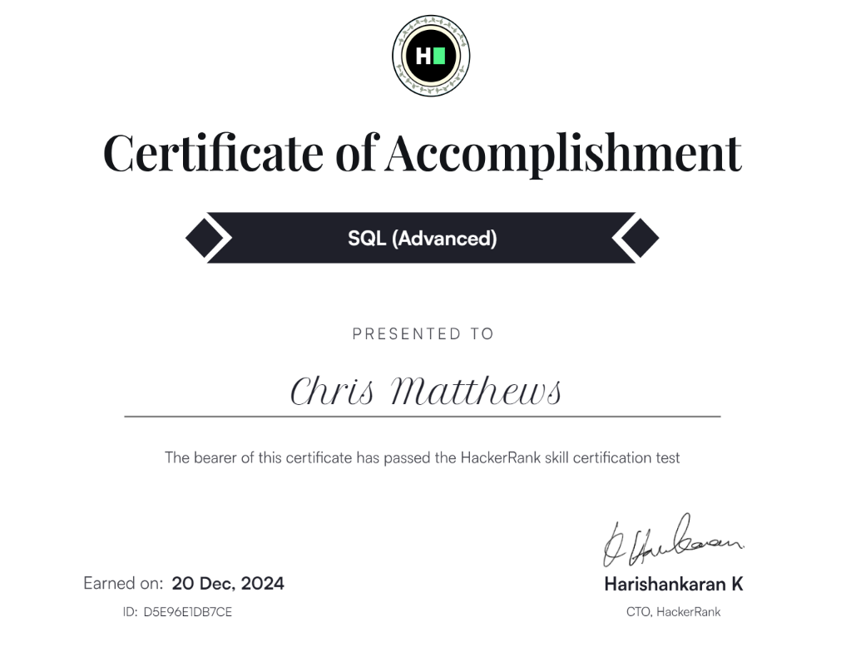
2024-12-12 |  |  |  |  |  | 3 |  | NDG Linux Unhatched
2024-12-13 | 1 |  |  |  |  |  |  | Amazon Q
2024-12-13 |  |  |  |  |  |  | 1 | Writing Winning Reports with Impact - Masterclass Session
2024-12-20 |  |  |  |  |  | 1 |  | Hackerrank advanced SQL certification
2025-01-16 |  |  |  |  | 5 |  |  | Pragmatic programmer
2025-03-20 |  |  |  |  |  | 1 |  | Configuring Agent Pools and Understanding Pipeline Styles Lab
2025-05-31 |  |  |  |  | 3 |  |  | Kafka monitoring using Prometheus
2025-06-12 |  | 5 |  |  |  |  |  | Snowflake intructor led training course
2025-09-15 | 2 |  |  |  |  |  |  | Documentation workshop
2025-10-02 | 2 |  |  |  |  |  |  | java event based pipeline
2025-10-03 |  |  |  |  | 1 |  |  | Wez mcginney Data analysis in python

